Workflow
WORKFLOW

1. Flow 1: [ Flow Name]
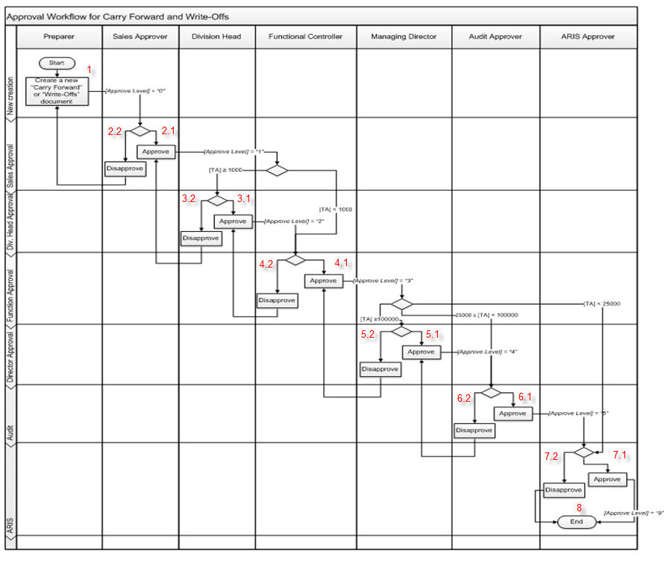

 | Test case Id | Workflow Name | Action | Role | State | Involved TCs | Assign To | Test pass 1 result | Test pass 2 result | Test pass 3 result | Note
 | WF_1 | <<Workflow 1 title>>
 |  | 1 | Create a new "Carry Forward " or "Write-Offs "document | Preparer | Pending
 |  | 1->2.1 | Approve | Sales Approver | Open
 |  | 1->2.1->3.1 | Approve | Division Head | Open
 |  | 1->2.1->3.1->4.1 | Approve | Functional Controller | Open
 |  | 1->2.1->3.1->4.1>5.1 | Approve | Managing Director | Open
 |  | 1->2.1->3.1->4.1>5.1->6.1 | Approve | Audit Approver | Open
 |  | 1->2.1->3.1->4.1>5.1->6.1->7.1 | Approve | ARIS approver | Open
 |  | 1->2.1->3.1->4.1>5.1->6.1->7.1->8 | End | ARIS approver | Close
 | WF_2 | Disapprove (TA >= 100.000) at 2.2
 |  | 1 | Create a new "Carry Forward " or "Write-Offs "document | Preparer | Pending
 |  | 1->2.2 | Disapprove | Sales Approver | Open
 |  | 1->2.2->1 | Create a new "Carry Forward " or "Write-Offs "document | Preparer | Return
 |  | 1->2.2->1>2.1 | Approve | Sales Approver | Open
 |  | 1->2.2->1>2.1>3.1 | Approve | Division Head | Open
 |  | 1->2.2->1>2.1>3.1>4.1 | Approve | Functional Controller | Open
 |  | 1->2.2->1>2.1>3.1>4.1>5.1 | Approve | Managing Director | Open
 |  | 1->2.2->1>2.1>3.1>4.1>5.1>6.1 | Approve | Audit Approver | Open
 |  | 1->2.2->1>2.1>3.1>4.1>5.1>6.1>7.1 | Approve | ARIS approver | Open
 |  | 1->2.2->1>2.1>3.1>4.1>5.1>6.1>7.1>8 | End | ARIS approver | Close
 | WF_3 | Disapprove (TA >= 100.000) at 3.2
 |  | 1 | Create a new "Carry Forward " or "Write-Offs "document | Preparer | Pending
 |  | 1->2.1 | Approve | Sales Approver | Open
 |  | 1->2.1->3.2 | Disapprove | Division Head | Open
 |  | 1->2.1->3.2->2.1 | Approve | Sales Approver | Return
 |  | 1->2.1->3.2->2.1->3.1 | Approve | Division Head | Open
 |  | 1->2.1->3.2->2.1->3.1->4.1 | Approve | Functional Controller | Open
 |  | 1->2.1->3.2->2.1->3.1->4.1->5.1 | Approve | Managing Director | Open
 |  | 1->2.1->3.2->2.1->3.1->4.1->5.1->6.1 | Approve | Audit Approver | Open
 |  | 1->2.1->3.2->2.1->3.1->4.1->5.1->6.1->7.1 | Approve | ARIS approver | Open
 |  | 1->2.1->3.2->2.1->3.1->4.1->5.1->6.1->7.1->8 | End | ARIS approver | Close
 | WF_4 | Disapprove (TA >= 100.000) at 4.2
 |  | 1 | Create a new "Carry Forward " or "Write-Offs "document | Preparer | Pending
 |  | 1->2.1 | Approve | Sales Approver | Open
 |  | 1->2.1->3.1 | Approve | Division Head | Open
 |  | 1->2.1->3.1->4.2 | Disapprove | Functional Controller | Open
 |  | 1->2.1->3.1->4.2->3.1 | Approve | Division Head | Return
 |  | 1->2.1->3.1->4.2->3.1->4.1 | Approve | Functional Controller | Open
 |  | 1->2.1->3.1->4.2->3.1->4.1->5.1 | Approve | Managing Director | Open
 |  | 1->2.1->3.1->4.2->3.1->4.1->5.1->6.1 | Approve | Audit Approver | Open
 |  | 1->2.1->3.1->4.2->3.1->4.1->5.1->6.1->7.1 | Approve | ARIS approver | Open
 |  | 1->2.1->3.1->4.2->3.1->4.1->5.1->6.1->7.1->8 | End | ARIS approver | Close
 | WF_5 | Disapprove (TA >= 100.000) at 5.2
 |  | 1 | Create a new "Carry Forward " or "Write-Offs "document | Preparer | Pending
 |  | 1->2.1 | Approve | Sales Approver | Open
 |  | 1->2.1->3.1 | Approve | Division Head | Open
 |  | 1->2.1->3.1->4.1 | Approve | Functional Controller | Open
 |  | 1->2.1->3.1->4.1->5.2 | Disapprove | Managing Director | Open
 |  | 1->2.1->3.1->4.1->5.2->4.1 | Approve | Functional Controller | Return
 |  | 1->2.1->3.1->4.1->5.2->4.1->5.1 | Approve | Managing Director | Open
 |  | 1->2.1->3.1->4.1->5.2->4.1->5.1->6.1 | Approve | Audit Approver | Open
 |  | 1->2.1->3.1->4.1->5.2->4.1->5.1->6.1->7.1 | Approve | ARIS approver | Open
 |  | 1->2.1->3.1->4.1->5.2->4.1->5.1->6.1->7.1->8 | End | ARIS approver | Close
 | WF_6 | Disapprove (TA >= 100.000) at 6.2
 |  | 1 | Create a new "Carry Forward " or "Write-Offs "document | Preparer | Pending
 |  | 1->2.1 | Approve | Sales Approver | Open
 |  | 1->2.1->3.1 | Approve | Division Head | Open
 |  | 1->2.1->3.1->4.1 | Approve | Functional Controller | Open
 |  | 1->2.1->3.1->4.1->5.1 | Approve | Managing Director | Open
 |  | 1->2.1->3.1->4.1->5.1->6.2 | Disapprove | Audit Approver | Open
 |  | 1->2.1->3.1->4.1->5.1->6.2->5.1 | Approve | Managing Director | Return
 |  | 1->2.1->3.1->4.1->5.1->6.2->5.1->6.1 | Approve | Audit Approver | Open
 |  | 1->2.1->3.1->4.1->5.1->6.2->5.1->6.1->7.1 | Approve | ARIS approver | Open
 |  | 1->2.1->3.1->4.1->5.1->6.2->5.1->6.1->7.1->8 | End | ARIS approver | Close

 | WF_7 | Disapprove (TA >= 100.000) at 7.2
 |  | 1 | Create a new "Carry Forward " or "Write-Offs "document | Preparer | Pending
 |  | 1->2.1 | Approve | Sales Approver | Open
 |  | 1->2.1->3.1 | Approve | Division Head | Open
 |  | 1->2.1->3.1->4.1 | Approve | Functional Controller | Open
 |  | 1->2.1->3.1->4.1->5.1 | Approve | Managing Director | Open
 |  | 1->2.1->3.1->4.1->5.1->6.1 | Approve | Audit Approver | Open
 |  | 1->2.1->3.1->4.1->5.1->6.1->7.2 | Disapprove | ARIS approver | Open
 |  | 1->2.1->3.1->4.1->5.1->6.1->7.2->8 | End | ARIS approver | Close

 | WF_8 | Approve (25.000<=TA<100.000)
 |  | 1 | Create a new "Carry Forward " or "Write-Offs "document | Preparer | Pending
 |  | 1->2.1 | Approve | Sales Approver | Open
 |  | 1->2.1->3.1 | Approve | Division Head | Open
 |  | 1->2.1->3.1->4.1 | Approve | Functional Controller | Open
 |  | 1->2.1->3.1->4.1 ->6.1 | Approve | Audit Approver | Open
 |  | 1->2.1->3.1->4.1 ->6.1->7.1 | Approve | ARIS approver | Open
 |  | 1->2.1->3.1->4.1 ->6.1->7.1->8 | End | ARIS approver | Close

 | WF_9 | Disapprove (25.000<=TA<100.000) at 6.2
 |  | 1 | Create a new "Carry Forward " or "Write-Offs "document | Preparer | Pending
 |  | 1->2.1 | Approve | Sales Approver | Open
 |  | 1->2.1->3.1 | Approve | Division Head | Open
 |  | 1->2.1->3.1->4.1 | Approve | Functional Controller | Open
 |  | 1->2.1->3.1->4.1 ->6.2 | Approve | Audit Approver | Open
 |  | 1->2.1->3.1->4.1 ->6.2->5.1 | Approve | Managing Director | Return
 |  | 1->2.1->3.1->4.1 ->6.2->5.1->6.1 | Approve | Audit Approver | Open
 |  | 1->2.1->3.1->4.1 ->6.2->5.1->6.1->7.1 | Approve | ARIS approver | Open
 |  | 1->2.1->3.1->4.1 ->6.2->5.1->6.1->7.1->8 | End | ARIS approver | Close

 | WF_10 | Approve ( 1.000<=TA <25.000)
 |  | 1 | Create a new "Carry Forward " or "Write-Offs "document | Preparer | Pending
 |  | 1->2.1 | Approve | Sales Approver | Open
 |  | 1->2.1->3.1 | Approve | Division Head | Open
 |  | 1->2.1->3.1->4.1 | Approve | Functional Controller | Open
 |  | 1->2.1->3.1->4.1->7.1 | Approve | ARIS approver | Open
 |  | 1->2.1->3.1->4.1->7.1->8 | End | ARIS approver | Close

 | WF_11 | Disapprove ( 1.000<=TA <25.000) at 7.2
 |  | 1 | Create a new "Carry Forward " or "Write-Offs "document | Preparer | Pending
 |  | 1->2.1 | Approve | Sales Approver | Open
 |  | 1->2.1->3.1 | Approve | Functional Controller | Open
 |  | 1->2.1->3.1->4.1 | Approve | Functional Controller | Open
 |  | 1->2.1->3.1->4.1->7.2 | Disapprove | ARIS approver | Open
 |  | 1->2.1->3.1->4.1->7.2->6.1 | Approve | Audit Approver | Return
 |  | 1->2.1->3.1->4.1->7.2->6.1->7.1 | Approve | ARIS approver | Open
 |  | 1->2.1->3.1->4.1->7.2->6.1->7.1->8 | End | ARIS approver | Close

 | WF_12 | Approve (TA <1.000)
 |  | 1 | Create a new "Carry Forward " or "Write-Offs "document | Preparer | Pending
 |  | 1->2.1 | Approve | Sales Approver | Open
 |  | 1->2.1->4.1 | Approve | Functional Controller | Open
 |  | 1->2.1->4.1->7.1 | Approve | ARIS approver | Open
 |  | 1->2.1->4.1->7.1->8 | End | ARIS approver | Close

 | WF_13 | Disapprove (TA <1.000) at 7.2
 |  | 1 | Create a new "Carry Forward " or "Write-Offs "document | Preparer | Pending
 |  | 1->2.1 | Approve | Sales Approver | Open
 |  | 1->2.1->4.1 | Approve | Functional Controller | Open
 |  | 1->2.1->4.1->7.2 | Disapprove | ARIS approver | Open
 |  | 1->2.1->4.1->7.2->8 | End | ARIS approver | Close

 | WF_14 | Disapprove (TA <1.000) at 4.2
 |  | 1 | Create a new "Carry Forward " or "Write-Offs "document | Preparer | Pending
 |  | 1->2.1 | Approve | Sales Approver | Open
 |  | 1->2.1->4.2 | Disapprove | Functional Controller | Open
 |  | 1->2.1->4.2->3.1 | Approve | Division Head | Return
 |  | 1->2.1->4.2->3.1->4.1 | Approve | Functional Controller | Open
 |  | 1->2.1->4.2->3.1->4.1->7.1 | Approve | ARIS approver | Open
 |  | 1->2.1->4.2->3.1->4.1->7.1->8 | End | ARIS approver | Close

2. Flow 2: [Flow name]

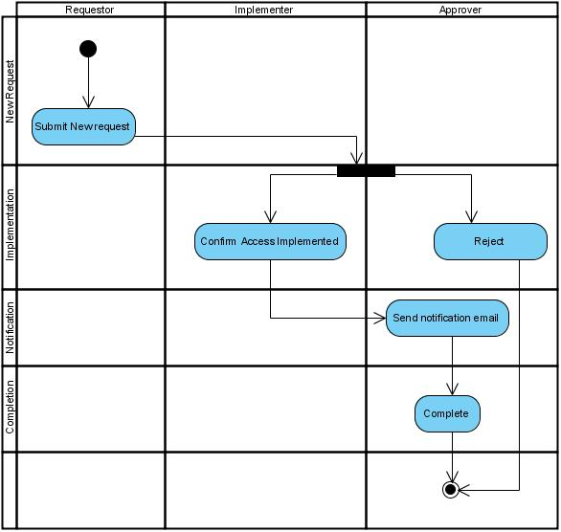

 | Test case Id | Workflow Name | Action | Role | State | Involved TCs | Assign To | Test pass 1 result | Test pass 2 result | Test pass 3 result | Note
 | WF1 | Submit New Request – Approved Flow (Normal Case)
 |  | 1.0 | Submit New Request | Requestor | Pending
 |  | 1->2 | Assign/Notify Implementer | System | Open |  | Implementer
 |  | 1->2 | Confirm Access Implemented | Implementer | Open |  | Implementer
 |  | 1->2->3 | Send notification email | System/Approver | Open |  | Requestor/Approver
 |  | 1->2->3->4 | Complete | System/Approver | Close |  | System
 | WF2 | Submit New Request – Rejected by Approver
 |  | 1.0 | Submit New Request | Requestor | Pending
 |  | 1->2 | Reject | Approver | Return |  | Requestor
 |  | 1->2->3 | Send notification email | System/Approver | Open |  | Requestor
 |  | 1->2->3->4 | Complete | System/Approver | Close |  | System
 | WF3 | Submit New Request – Approver không phản hồi (Timeout / Escalation)
 |  | 1.0 | Submit New Request | Requestor | Pending
 |  | 1->2 | Waiting for Approver | Approver | Open |  | Aprover
 |  | 1->2->3 | Timeout | System | Open |  | System
 |  | 1->2->3->4 | Send escalation email | System | Open |  | Manager/Aprover
 |  | 1->2->3->4->5 | Complete (timeout) | System | Close |  | System
 | WF4 | Submit New Request – Implementer không xác nhận
 |  | 1.0 | Submit New Request | Requestor | Pending
 |  | 1->2 | Assign Implementer | Approver | Open |  | Implementer
 |  | 1->2->3 | Fail to Confirm | Implementer | Return |  | Approver/Requestor
 |  | 1->2->3->4 | Send reminder email | System | Open |  | Implementer
 |  | 1->2->3->4->5 | Complete(manual) | System/Approver | Close |  | Manual Owner
 | WF5 | Submit New Request – Invalid Input (Thiếu / Sai dữ liệu)
 |  | 1.0 | Submit New Request | Requestor | Pending
 |  | 1->2 | System Validation | System | Return |  | Requester
 |  | 1->2->3 | Display error message | System | Open |  | Requester
 |  | 1->2->3->4 | Complete (failed) | System | Close |  | System

